Structure
 | Strict Calculation Condition
Structure | Threshold(conv_thr) |  | ecutwfc | ecutrho | kpoint
Fitting data to Equation of States(Stabilized jelium model) and calculating lattice constant | 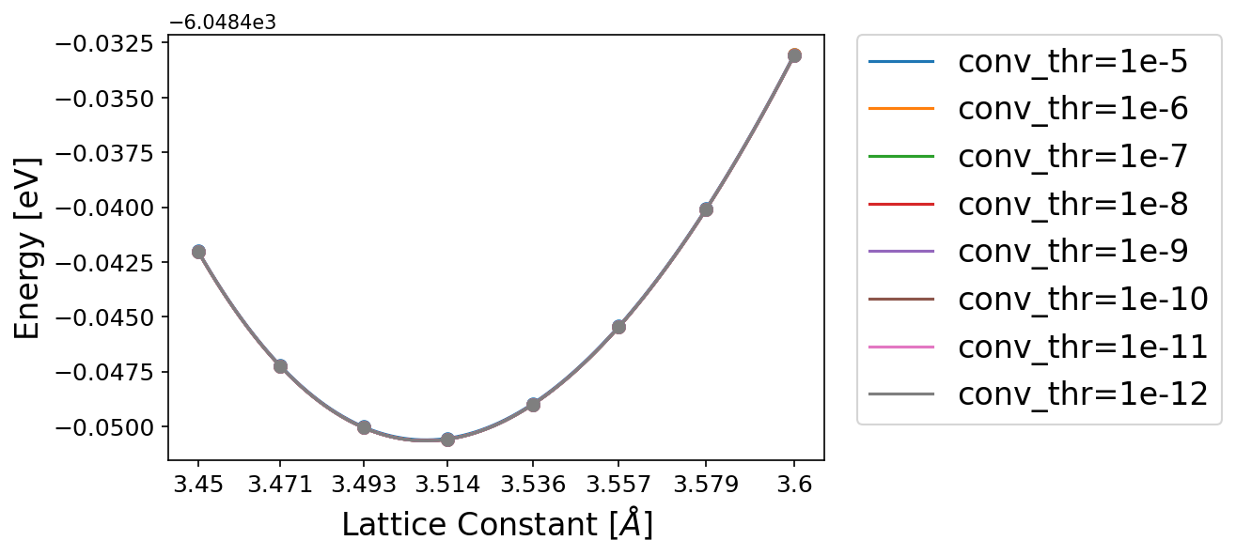 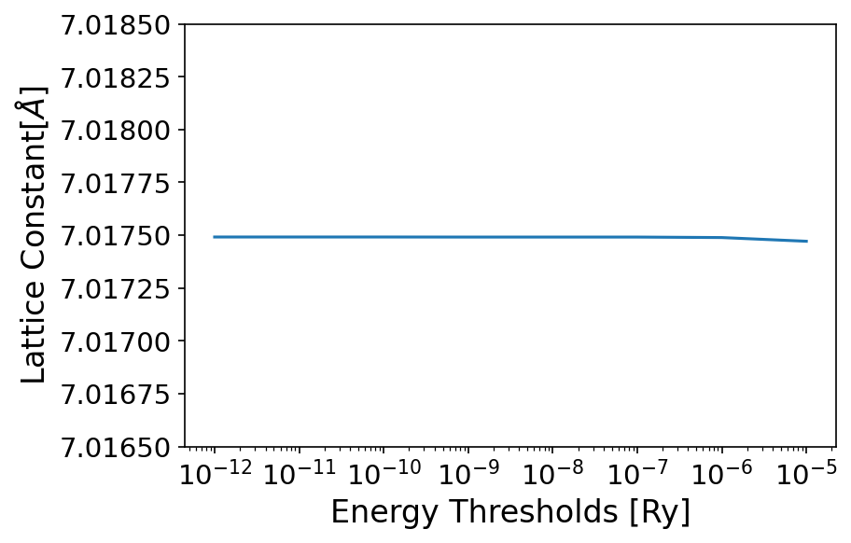 |  | 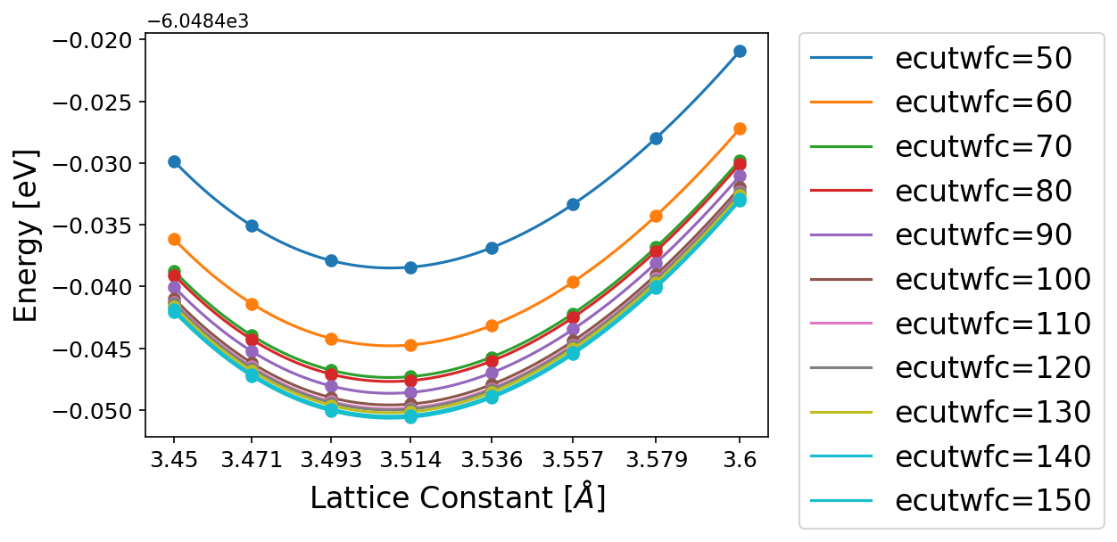 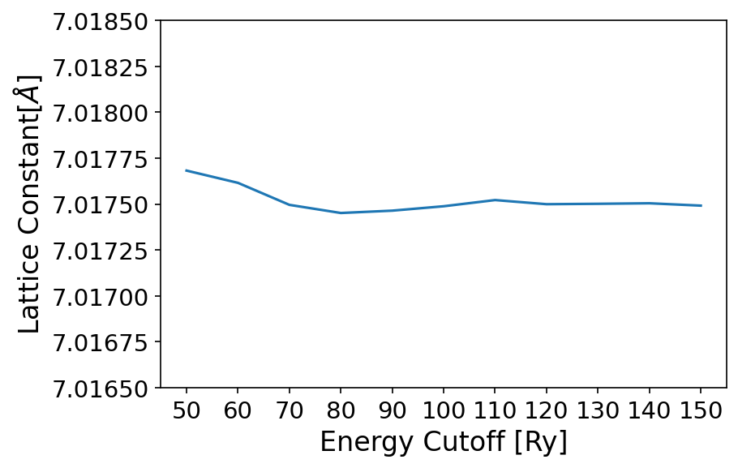 | 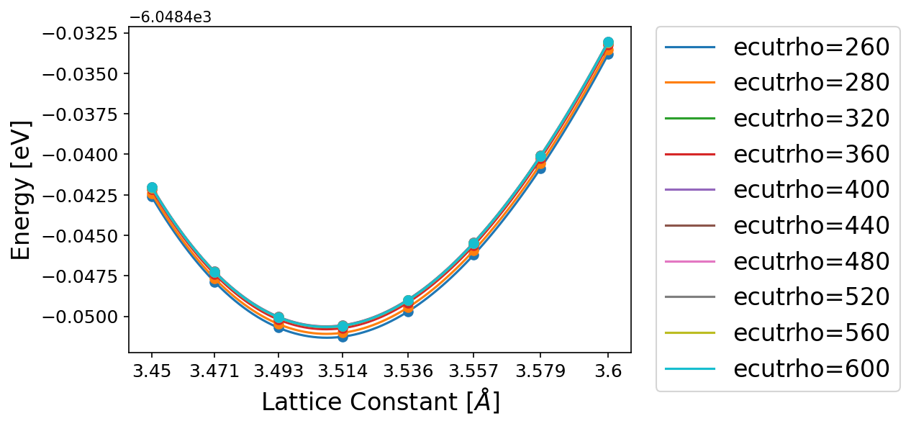 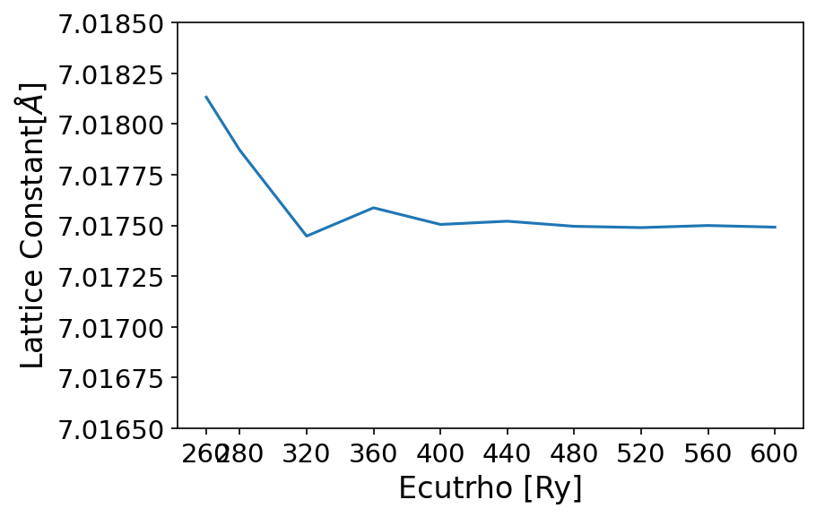 | 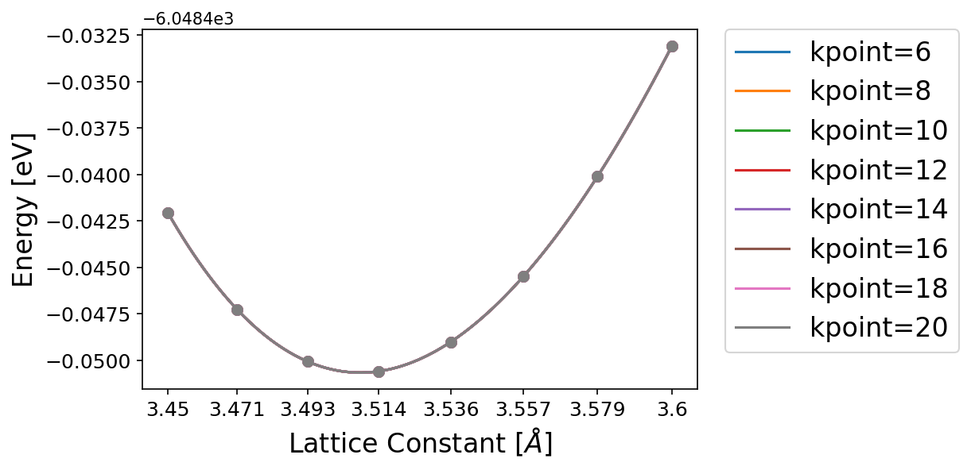 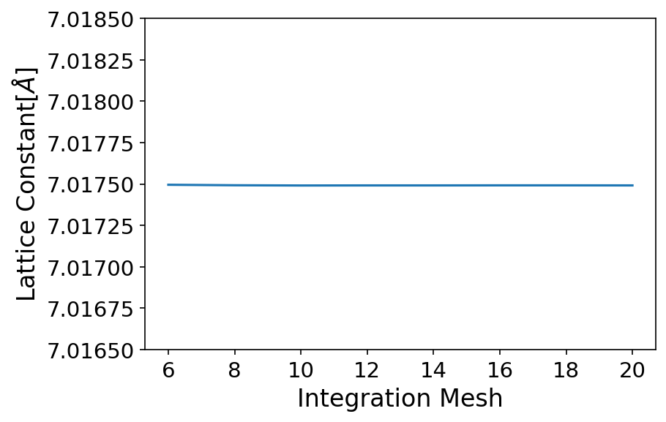

energy_threshold_list = ["1e-5", "1e-6", "1e-7", "1e-8", "1e-9", "1e-10", "1e-11", "1e-12"] [Ry]
wavefunction_energy_cutoff_list = [50,60,70,80,90,100,110,120,130,140,150] [Ry]
integration_mesh_list = [2,4,6, 8, 10, 12, 14, 16, 18, 20]
charge_density_energy_cutoff_list = [260, 280, 320, 360, 400, 440, 480, 520, 560, 600] [Ry]
grid shift = [0, 1]

 | ecutwfc=150 Ry, ecutrho=600 Ry, kpoint=20 |  | conv_thr=1e-10 Ry, ecutrho=600 Ry, kpoint=20 | conv_thr=1e-10 Ry, ecutwfc=150 Ry, kpoint=20 | conv_thr=1e-10 Ry, ecutwfc=150 Ry, ecutrho=600 Ry

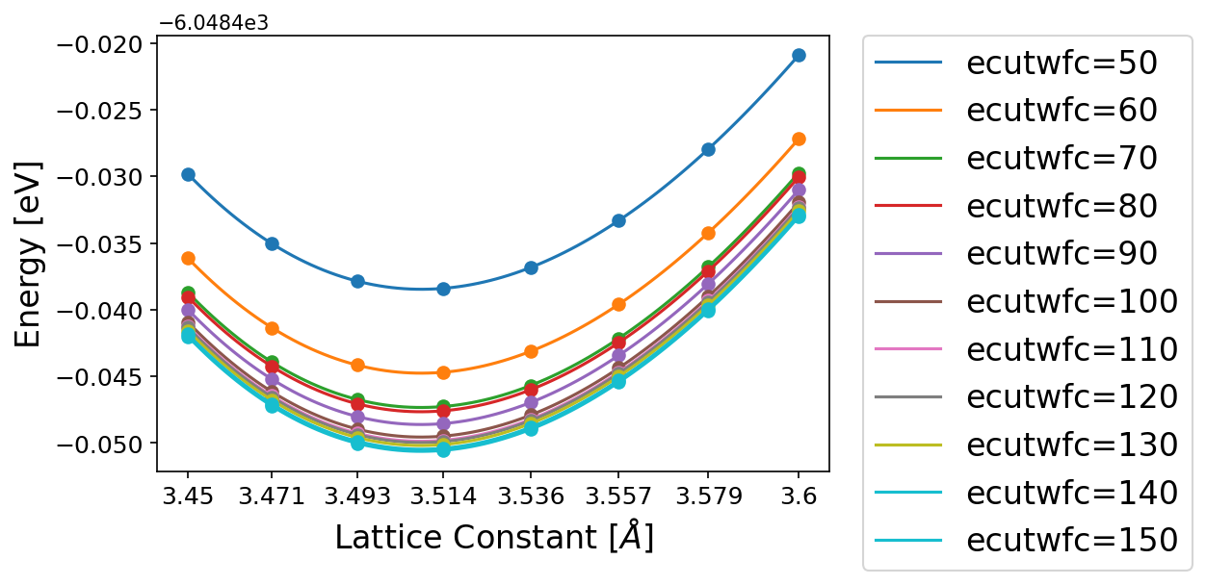
 | Minimum Calculation Condition
 | Threshold(conv_thr) |  | ecutwfc | ecutrho | kpoint
 | 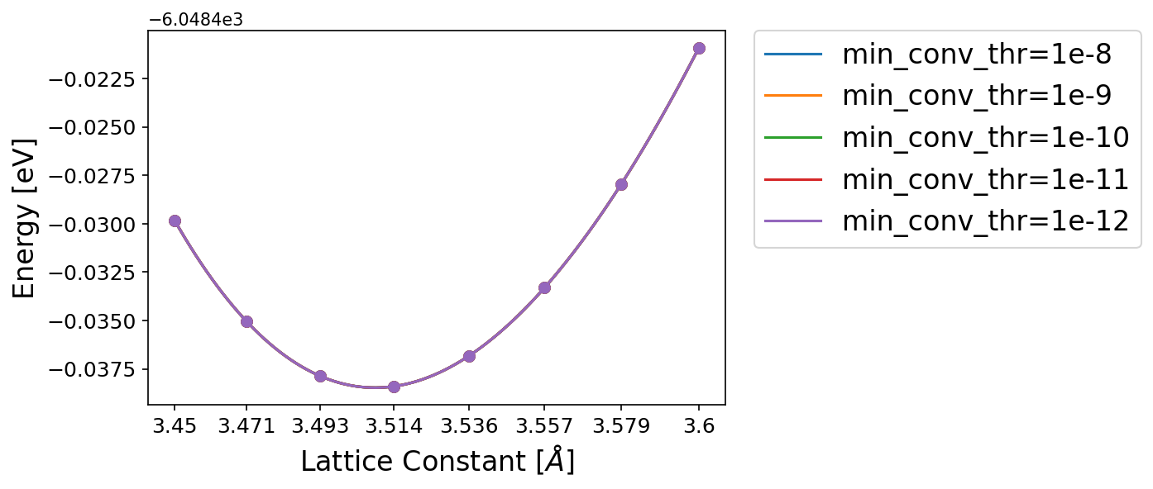 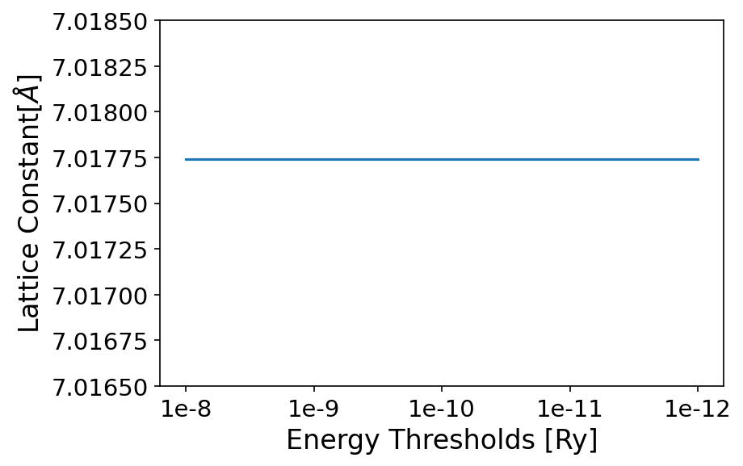 |  | 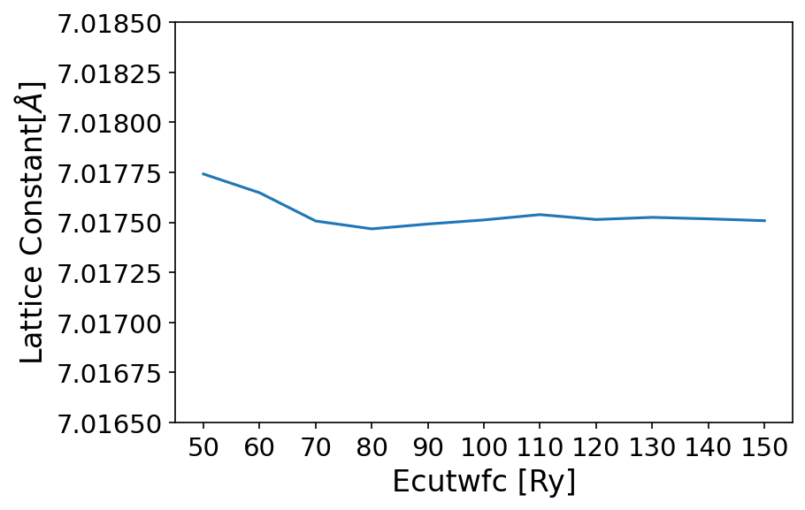 | 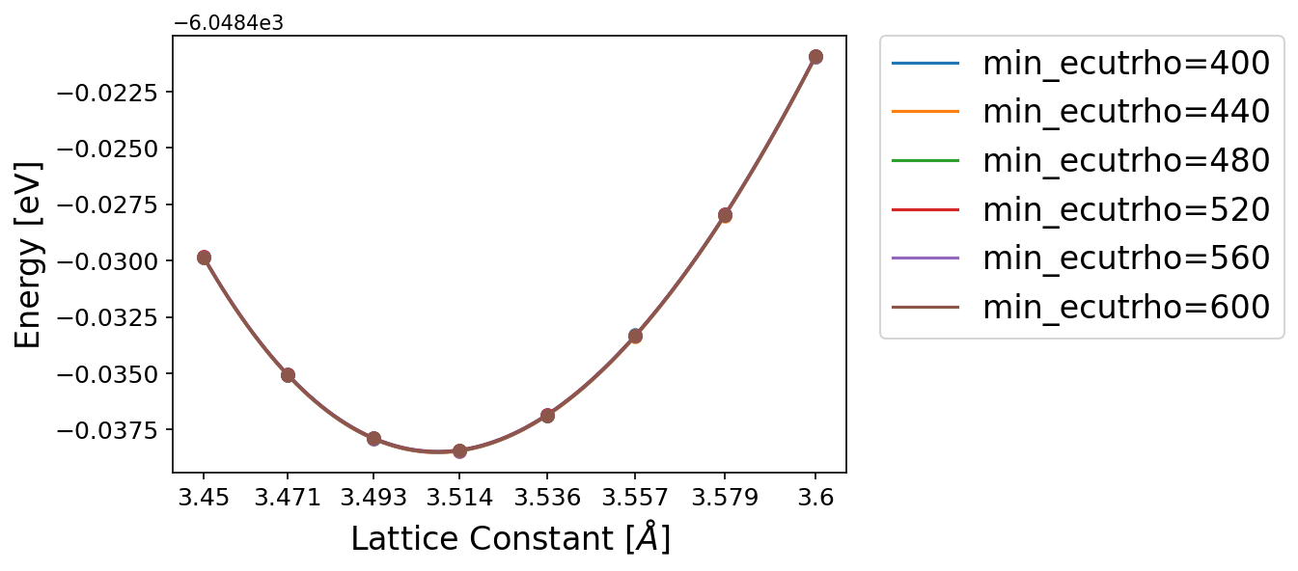 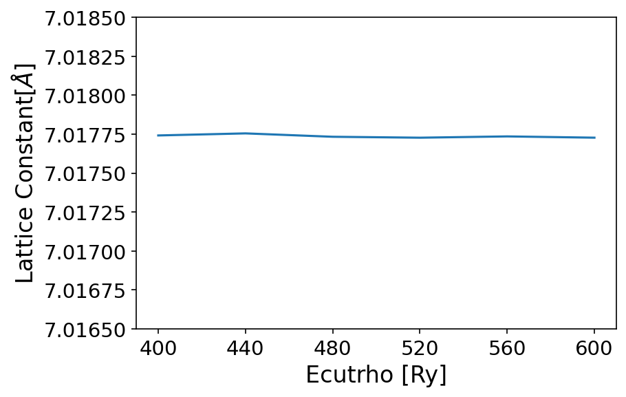 | 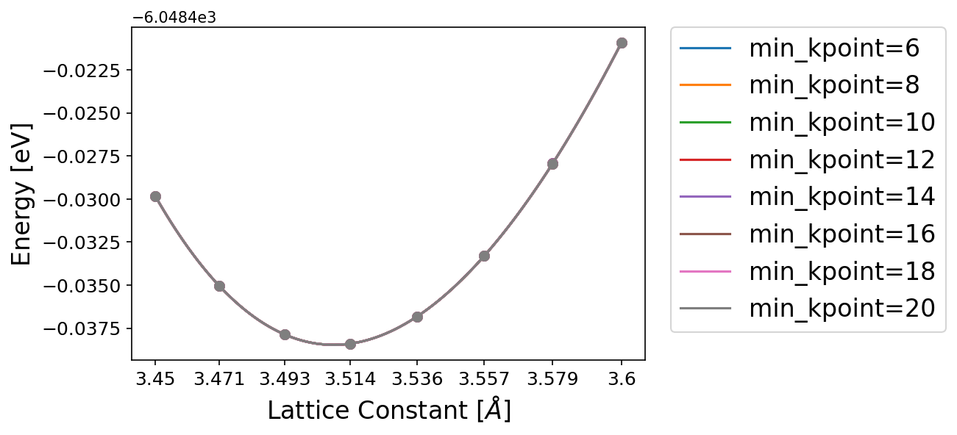 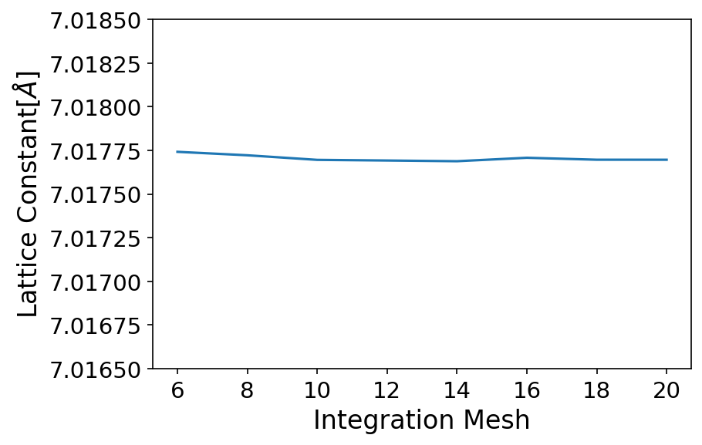

 | ecutwfc=50 Ry, ecutrho=400 Ry, kpoint=6 |  | conv_thr=1e-10 Ry, ecutrho=400 Ry, kpoint=6 | conv_thr=1e-10 Ry, ecutwfc=50 Ry, kpoint=6 | conv_thr=1e-10 Ry, ecutwfc=50 Ry, ecutrho=400 Ry

 | Shift Check
 | 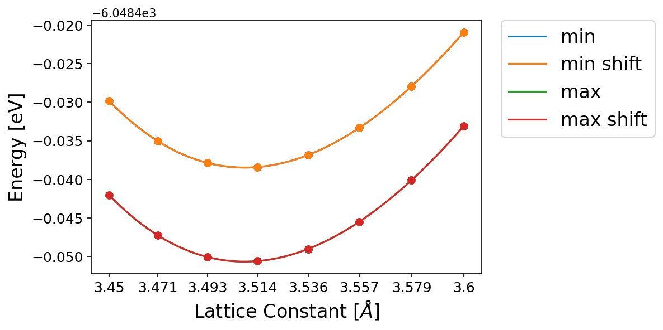

 | min: conv_thr=1e-10 Ry, ecutwfc=50 Ry, ecutrho=400 Ry, kpoint=6
 | max: conv_thr=1e-12 Ry, ecutwfc=150 Ry, ecutrho=600 Ry, kpoint=20

 | Lattice Constant
 | min | 7.01774162
 | min shift | 7.0176833905
 | max | 7.017491473
 | max shift | 7.0174918645

Electronic
Electron Band Strcuture
1: Energy threshold = 1e-10 Ry, ecutwfc = 50 Ry, integration mesh=6, ecutrho = 400 Ry, no shifting
1 shift: Energy threshold = 1e-10 Ry, ecutwfc = 50 Ry, integration mesh=6, ecutrho = 400 Ry, shifting
2: Energy threshold = 1e-12 Ry, ecutwfc = 150 Ry, integration mesh = 20, ecutrho = 600 Ry, no shifting
2 shift: Energy threshold = 1e-12 Ry, ecutwfc = 150 Ry, integration mesh = 20, ecutrho = 600 Ry, shifting
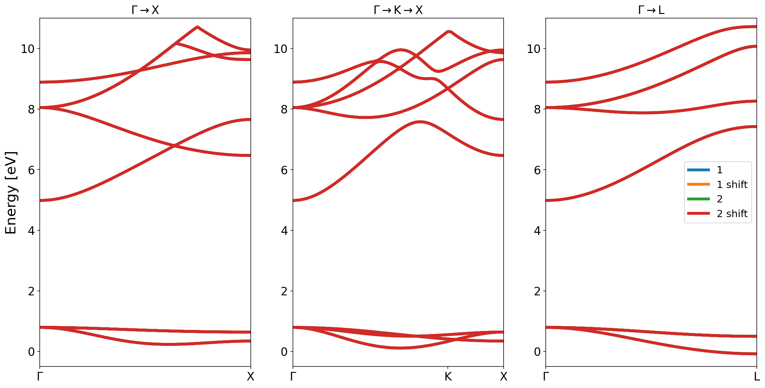

 | Γ | E1 | E2 | E3 | E4 | E5 | E6 | E7 | E8
 | 1 | 0.7942 | 0.7942 | 0.7942 | 4.9843 | 8.0496 | 8.0496 | 8.0496 | 8.8906
 | 1 shift | 0.7942 | 0.7942 | 0.7942 | 4.9843 | 8.0496 | 8.0496 | 8.0496 | 8.8906
 | 2 | 0.7941 | 0.7941 | 0.7941 | 4.9842 | 8.0491 | 8.0491 | 8.0491 | 8.8898
 | 2 shift | 0.7941 | 0.7941 | 0.7941 | 4.9842 | 8.0491 | 8.0491 | 8.0491 | 8.8898

 | X | E1 | E2 | E3 | E4 | E5 | E6 | E7 | E8
 | 1 | 0.3431 | 0.6409 | 0.6409 | 6.4686 | 7.6575 | 9.6354 | 9.8614 | 9.9505
 | 1 shift | 0.3431 | 0.6409 | 0.6409 | 6.4686 | 7.6575 | 9.6354 | 9.8614 | 9.9505
 | 2 | 0.343 | 0.6408 | 0.6408 | 6.4683 | 7.6572 | 9.6352 | 9.8604 | 9.9498
 | 2 shift | 0.343 | 0.6408 | 0.6408 | 6.4683 | 7.6572 | 9.6352 | 9.8604 | 9.9498

 | L | E1 | E2 | E3 | E4 | E5 | E6 | E7 | E8
 | 1 | -0.0778 | 0.499 | 0.499 | 7.4243 | 8.2617 | 10.0722 | 10.0722 | 10.7216
 | 1 shift | -0.0778 | 0.499 | 0.499 | 7.4243 | 8.2617 | 10.0722 | 10.0722 | 10.7216
 | 2 | -0.0779 | 0.4989 | 0.4989 | 7.4239 | 8.2614 | 10.0719 | 10.0719 | 10.7207
 | 2 shift | -0.0779 | 0.4989 | 0.4989 | 7.4239 | 8.2614 | 10.0719 | 10.0719 | 10.7207

Harmonic
Dielectric Constant ε & Born Charge |  |  |  |  | Harmonic
Threshold Check: [1e-10, 1e-11, 1e-12,1e-13,1e-14,1e-15,1e-16] | 1: Energy threshold = 1e-10 Ry, ecutwfc = 50 Ry, integration mesh=6, ecutrho = 400 Ry, no shifting |  |  |  | Supercell method | kpoint(=integration mesh) no shift | kpoint(=integration mesh) shift
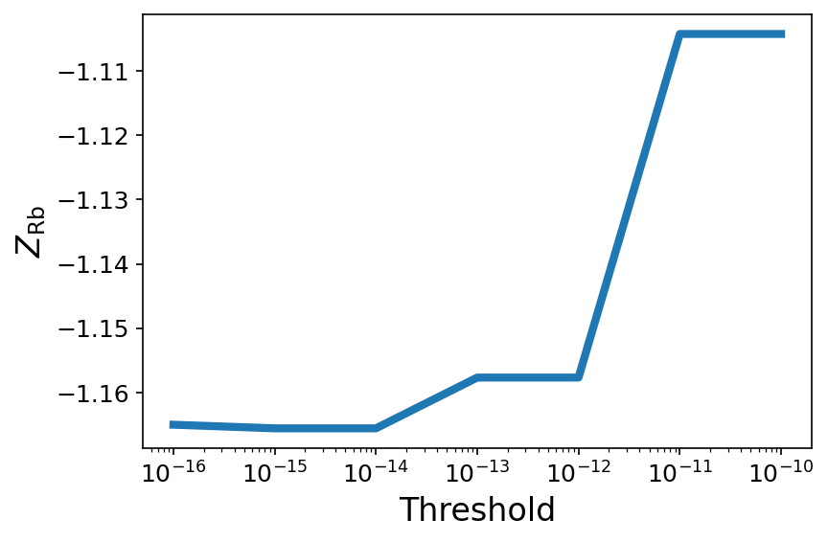 | 1 shift: Energy threshold = 1e-10 Ry, ecutwfc = 50 Ry, integration mesh=6, ecutrho = 400 Ry, shifting |  |  |  | Supercell size: [2×2×2, 3×3×3, 4×4×4] | 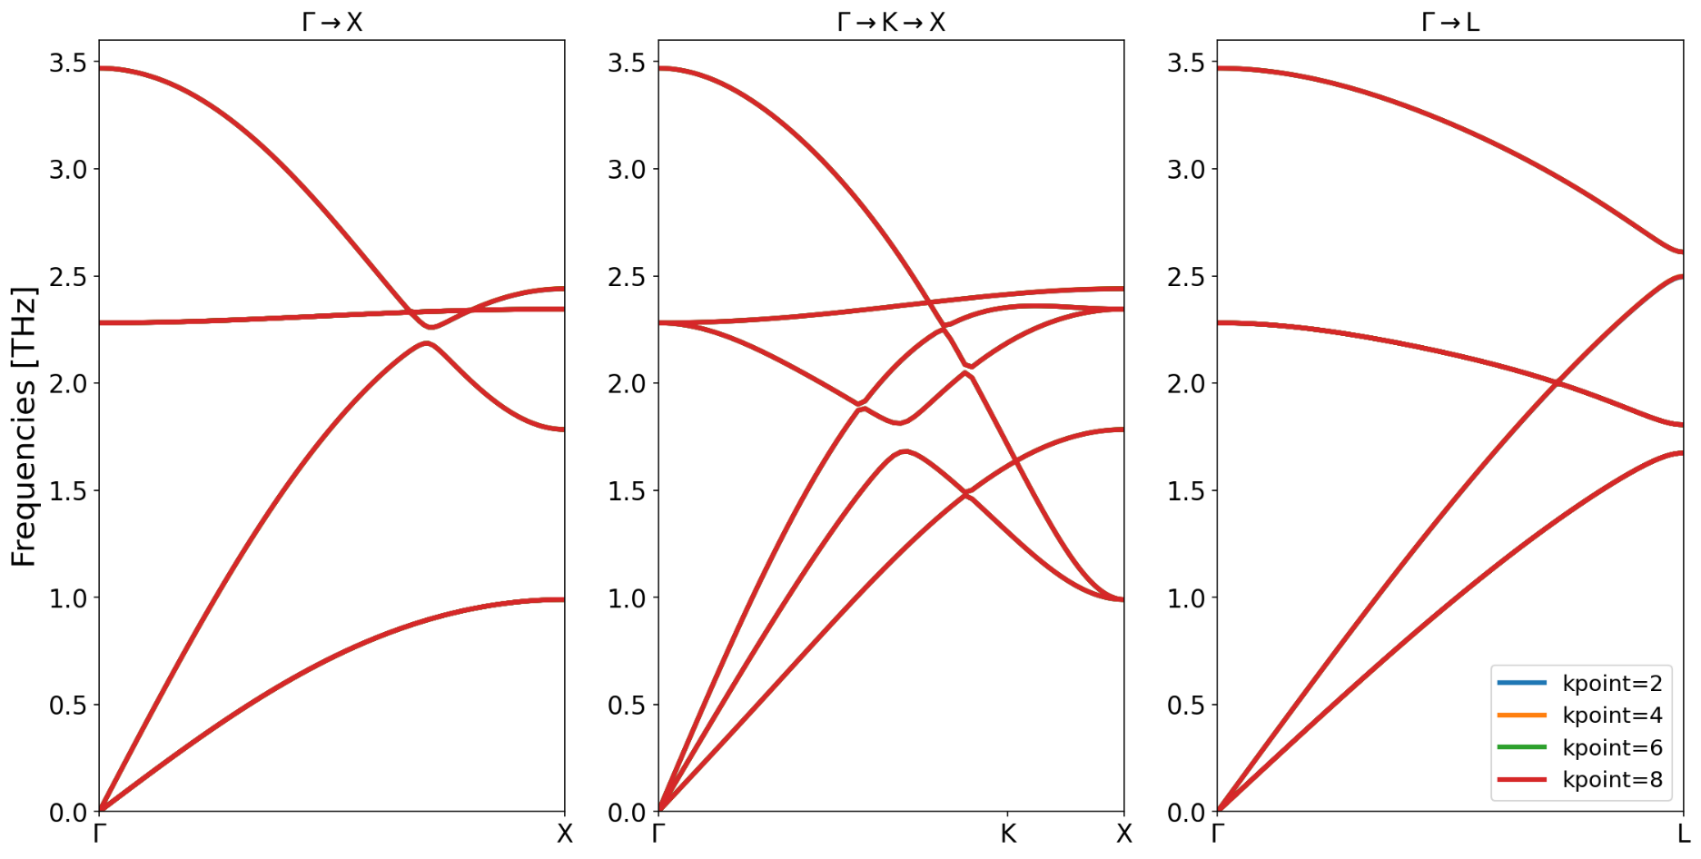 | 
 | 2: Energy threshold = 1e-12 Ry, ecutwfc = 150 Ry, integration mesh = 20, ecutrho = 600 Ry, no shifting |  |  |  | wavefunction_energy_cutoff_list = [50, 60, 80, 100, 120] [Ry]
 | 2 shift: Energy threshold = 1e-12 Ry, ecutwfc = 150 Ry, integration mesh = 20, ecutrho = 600 Ry, shifting |  |  |  | integration_mesh_list = [2, 4, 6, 8]
 |  |  |  |  | charge_density_energy_cutoff_list = [400, 600] [Ry]
 | Γ | Z_Rb | Z_Br | ε | grid shift = [0, 1]
 | 1 | 1.1643017822 | -1.1658618533 | 2.4625940059 | perturbation = [0.005, 0.01, 0.02] [Å]
 | 1 shift | 1.1649605441 | -1.1652241937 | 2.4611626377
 | 2 | 1.1652626569 | -1.1655326435 | 2.4612137204
 | 2 shift | 1.1652863583 | -1.1655133836 | 2.4611790174 | Convergence parameters
 |  |  |  |  | Supercell size: 2×2×2
 |  |  |  |  | wavefunction_energy_cutoff = 50 [Ry]
 |  |  |  |  | integration_mesh = 2
 |  |  |  |  | charge_density_energy_cutoff = 400 [Ry]
 |  |  |  |  | grid shift = 0
 |  |  |  |  | perturbation = 0.01 [Å]
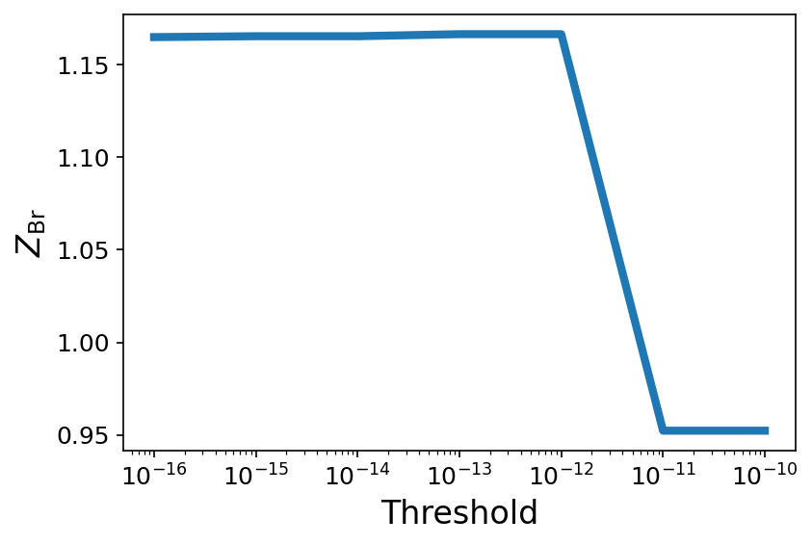

 |  |  |  |  |  | ecutwfc=120 Ry, ecutrho=600 Ry, perturbation = 0.01 Å, no shift | ecutwfc=120 Ry, ecutrho=600 Ry, perturbation = 0.01 Å, shift

 |  |  |  |  |  | ecutwfc | ecutrho
 |  |  |  |  |  | 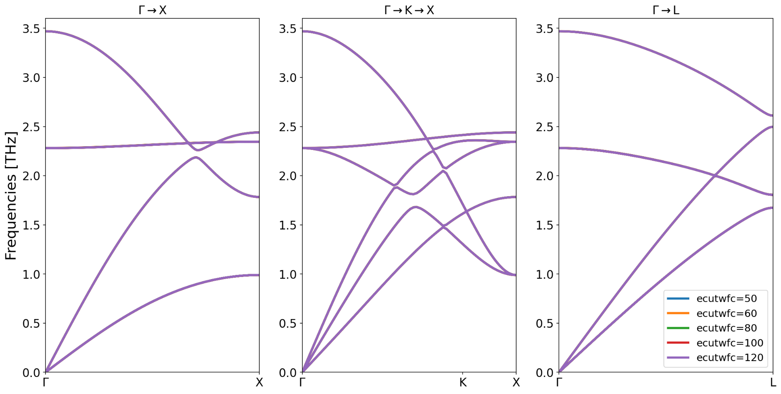 | 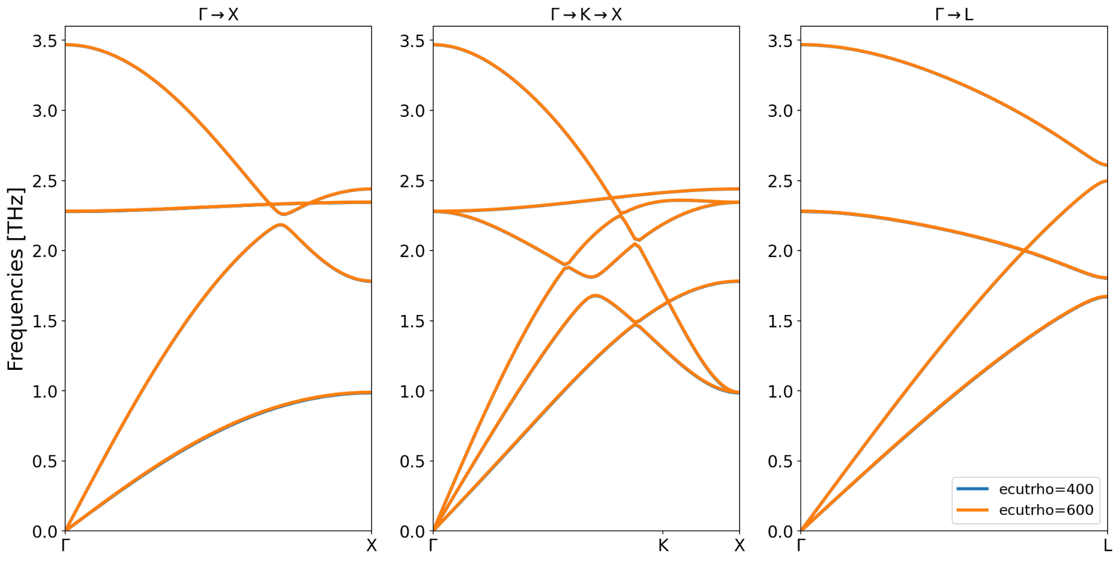

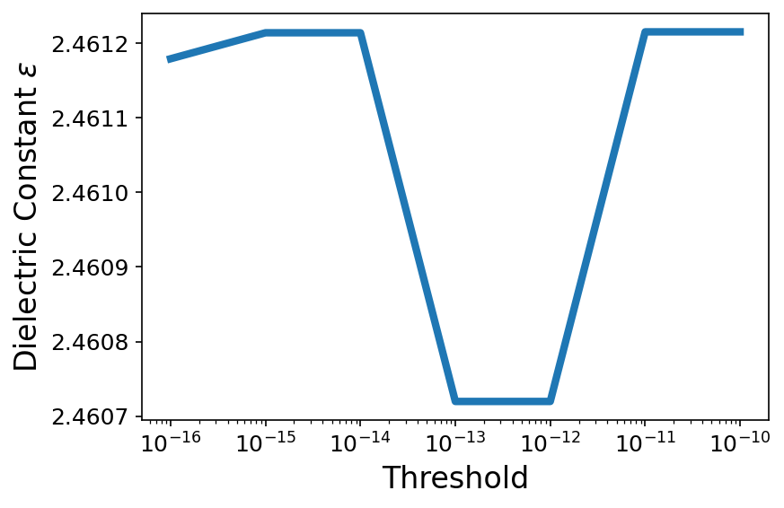

 |  |  |  |  |  | kpoint = 8, ecutrho=600 Ry, perturbation = 0.01 Å, no shift | kpoint = 8, ecutwfc=50 Ry, perturbation = 0.01 Å, no shift

 |  |  |  |  |  | Shift | Perturbation(Dispalcement)
 |  |  |  |  |  | 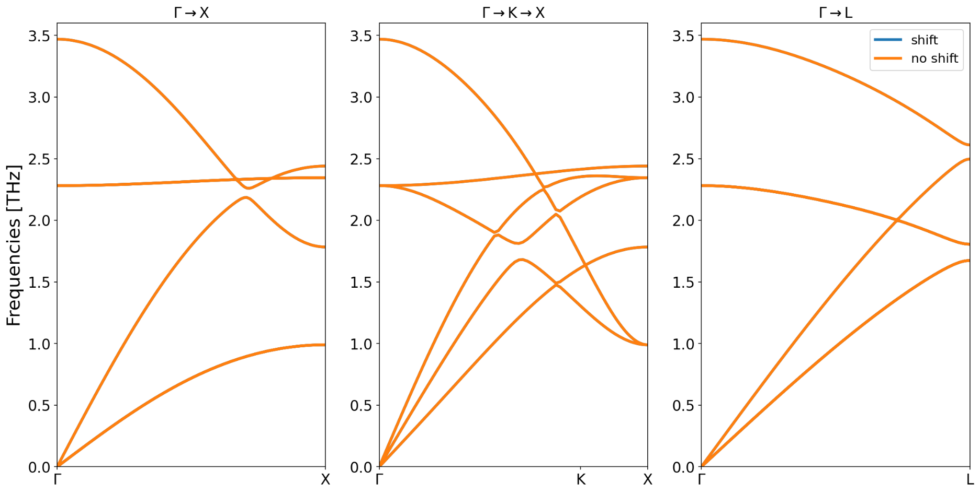 | 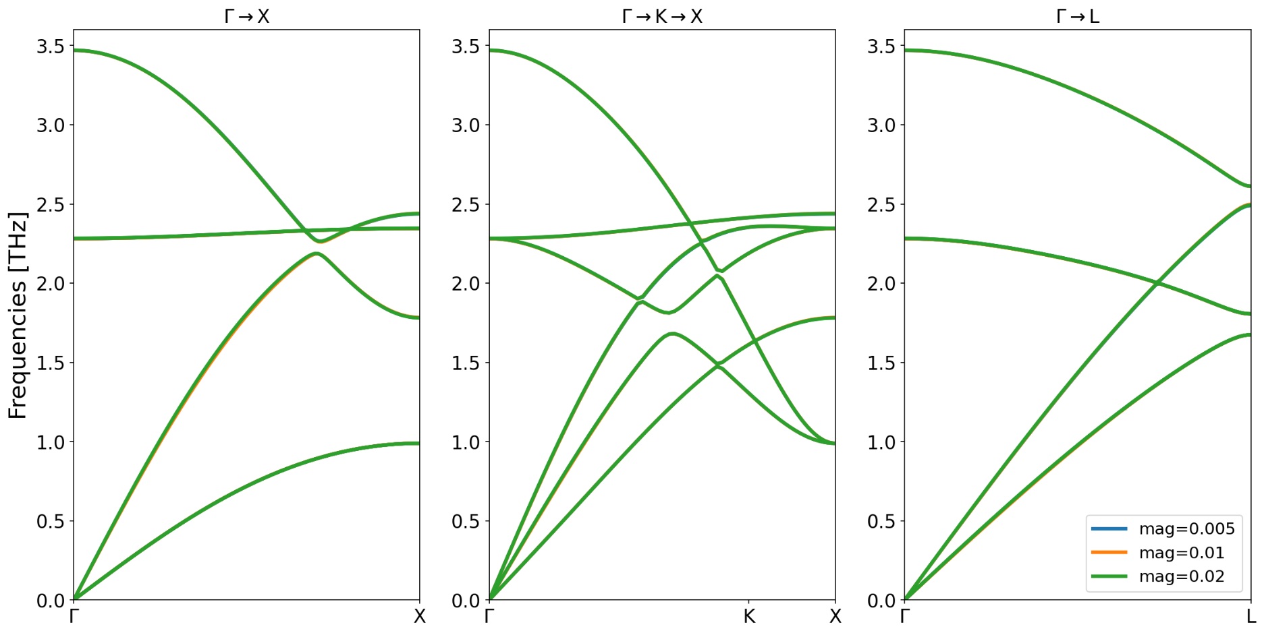

I choose 1e-15

 |  |  |  |  |  | kpoint = 8, ecutwfc = 50 Ry, ecutrho=600 Ry, perturbation = 0.01 Å | kpoint = 8, ecutwfc = 50 Ry, ecutrho=600 Ry, no shift

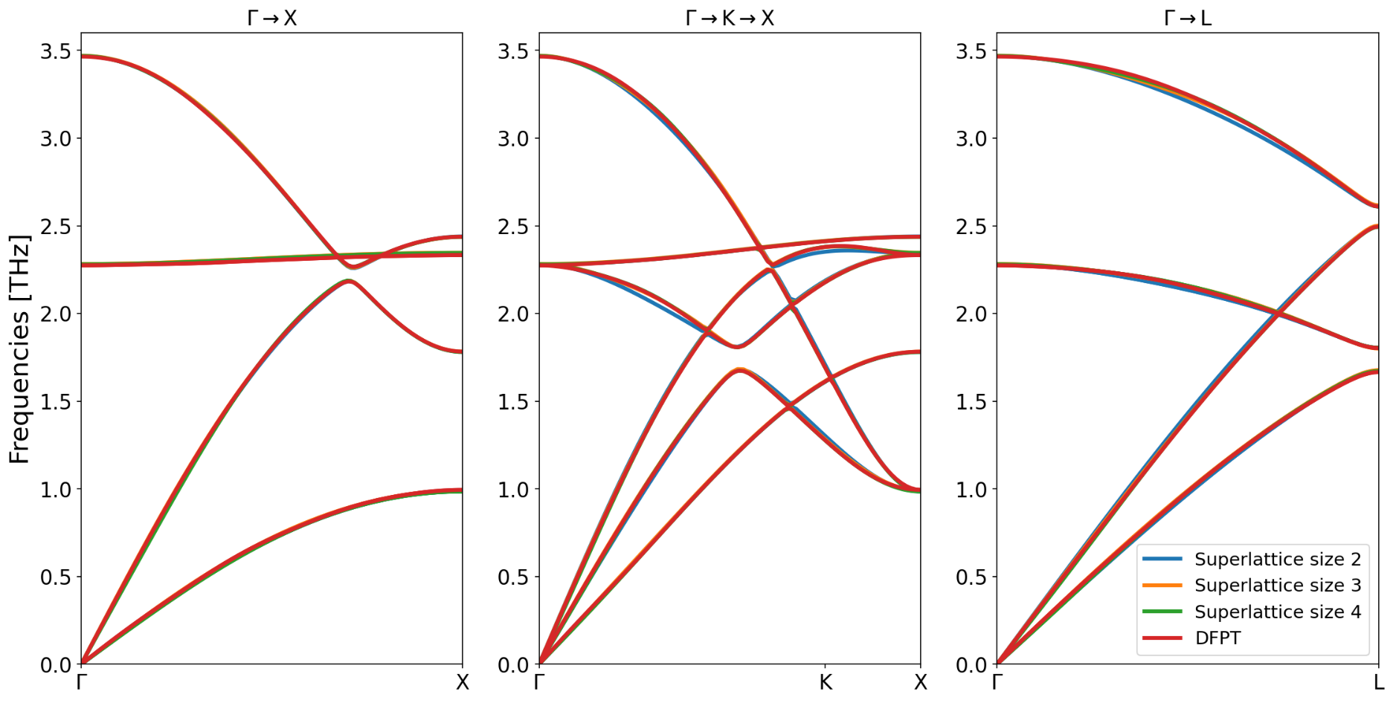
 |  |  |  |  |  | Supercell size | Comparison with DFPT
 |  |  |  |  |  | 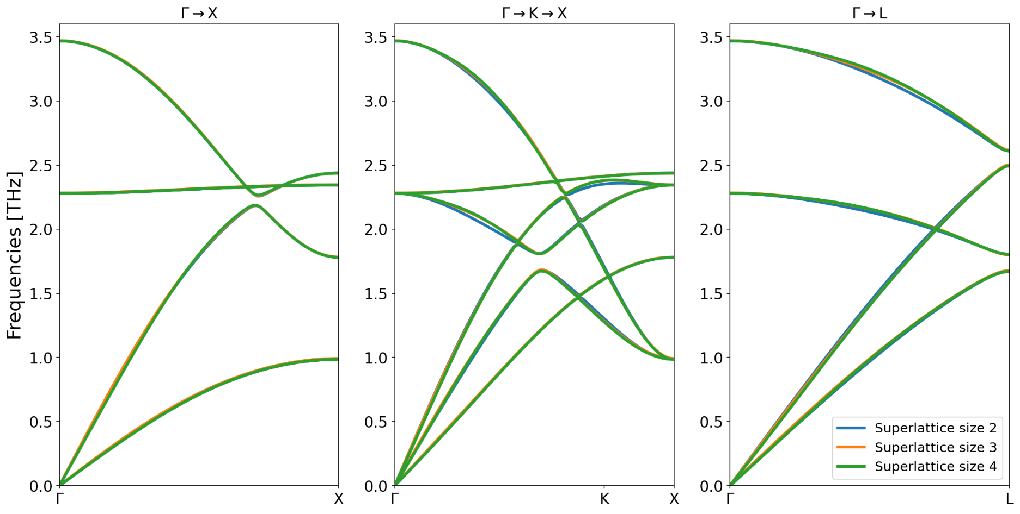

 |  |  |  |  |  | kpoint = 2, ecutwfc=50 Ry, ecutrho=400 Ry, perturbation = 0.01 Å, no shift | kpoint = 2, ecutwfc=50 Ry, ecutrho=400 Ry, perturbation = 0.01 Å, no shift

Anharmonic
Anharmonic | thermal conductivity integration grid | supercell size
Supercell method | 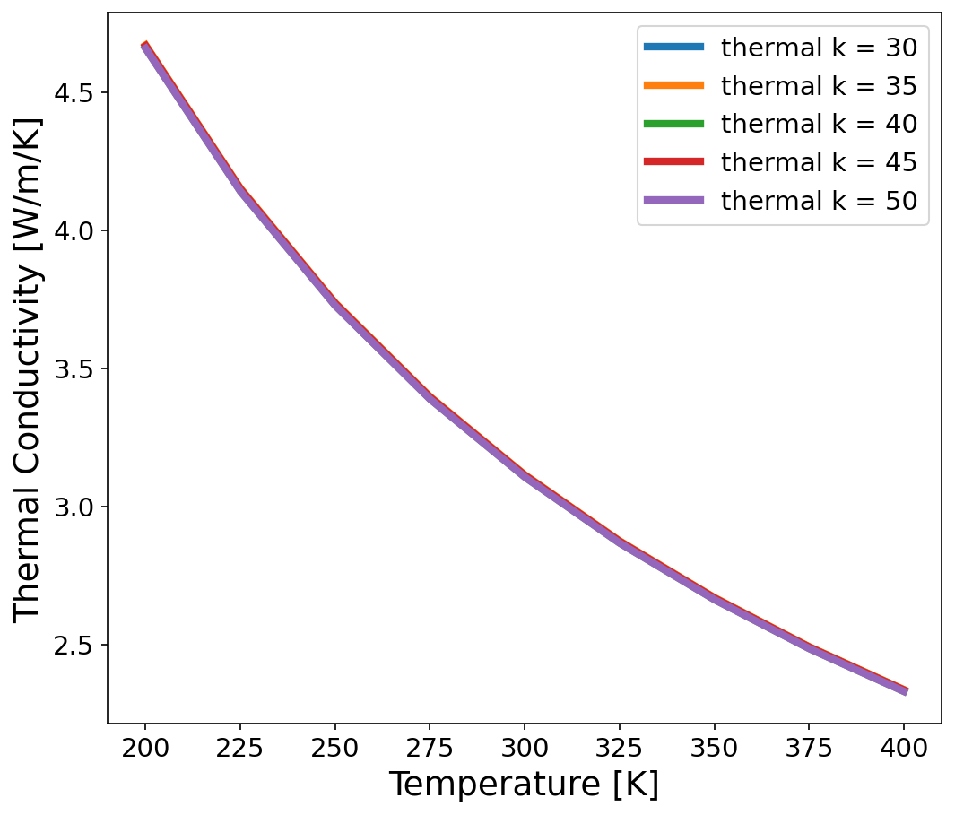 | 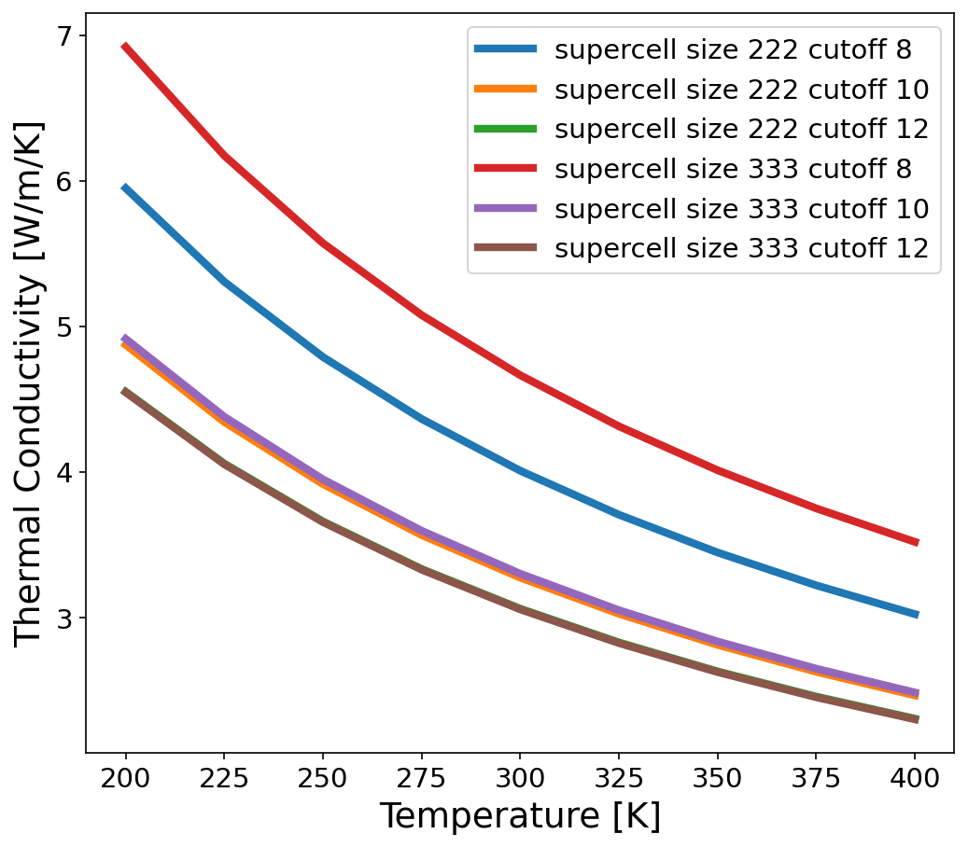
Supercell size: [2×2×2, 3×3×3]
cutoff radii list = [8,10,12,14,16,18]
wavefunction_energy_cutoff_list = [50, 60] [Ry]
charge_density_energy_cutoff_list = [400] [Ry]
integration_mesh_list = [1,2]
perturbation = [0.02, 0.04, 0.06] [Å]
thermal conductivity integration grid=[30,35,40,45,50]

Convergence parameters
Supercell size: 3×3×3
cutoff radii = 16
wavefunction_energy_cutoff= 50 [Ry]
charge_density_energy_cutoff_list = 400 [Ry]
integration_mesh_list = 1
perturbation = 0.04 [Å] | ecutwfc=50, ecutrho=400, perturb=0.04, supercell size=2×2×2, cutoff radii=12, kpoint=2 | ecutwfc=50 Ry, ecutrho=400 Ry, perturb=0.04 Å, thermal integration grid=30×30×30, kpoint=2
thermal conductivity integration grid=30×30×30
 | cutoff radii | kpoints
 | 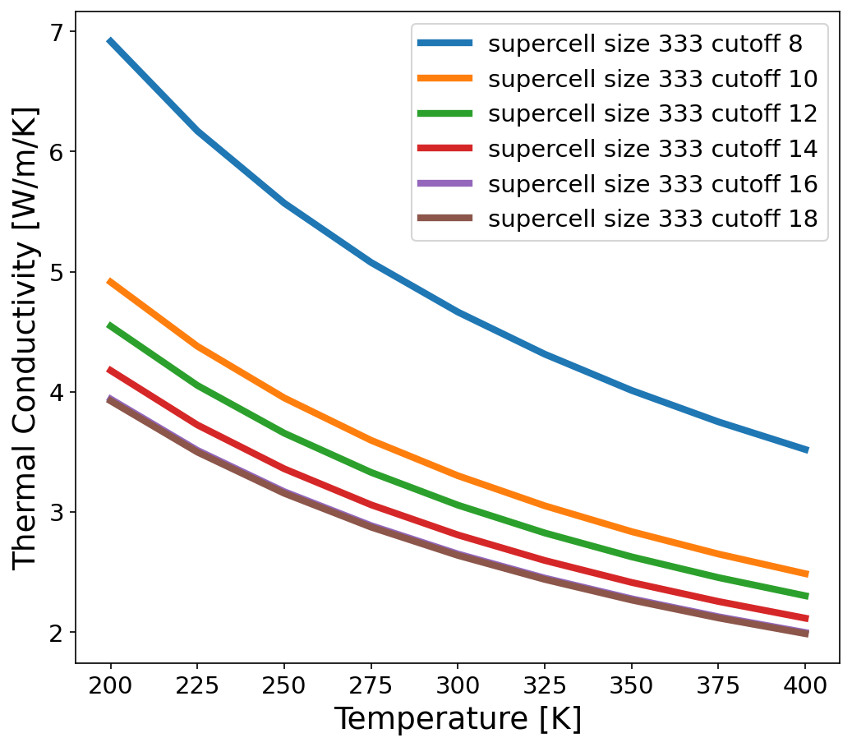 | 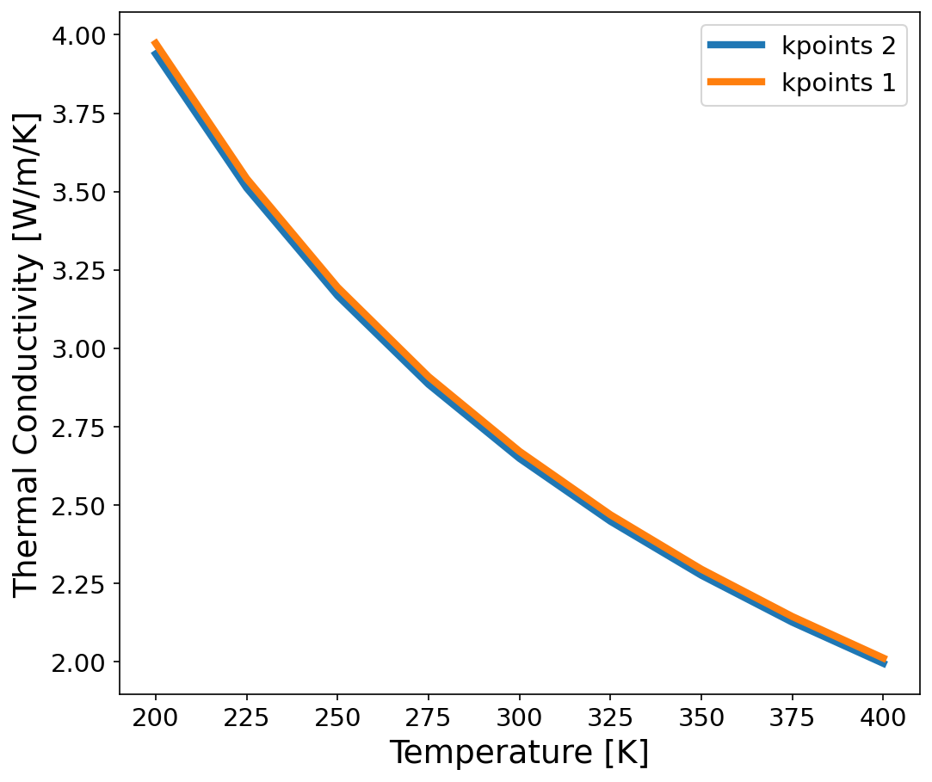

 | ecutwfc=50, ecutrho=400, perturbation=0.04, thermal integration grid=30, supercell size=3, kpoint=2 | ecutwfc=50, ecutrho=400, perturbation=0.04, thermal integration grid=30, supercell size=3, cutoff=16

 | ecutwfc | mag(=perturbation)
 | 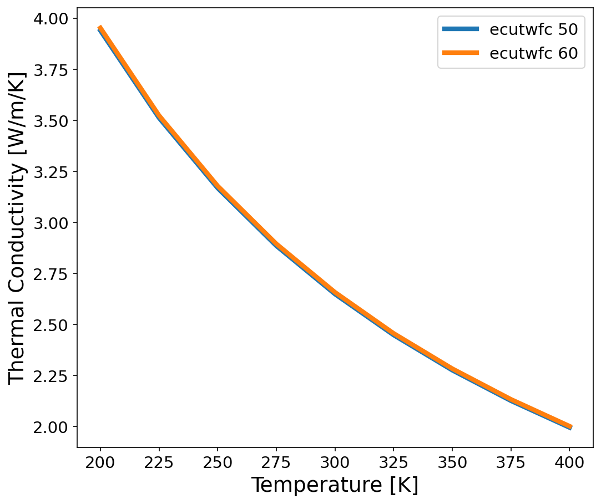 | 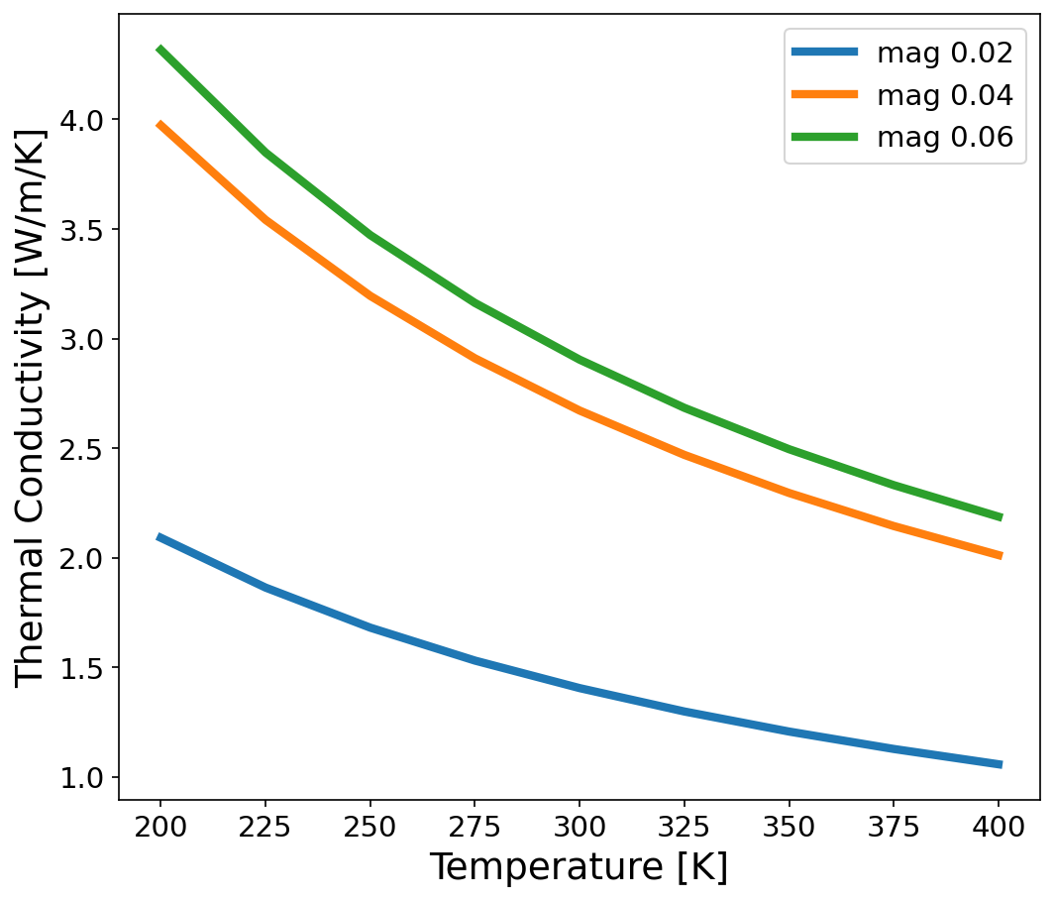

 | ecutrho=400, perturbation=0.04, thermal integration grid=30, supercell size=3, kpoint=2, cutoff=16 | ecutwfc=50, ecutrho=400, thermal integration grid=30, supercell size=3, kpoint=1, cutoff=16
 |  | Fitting Error [%]
 |  | 0.02 | 1.27301
 |  | 0.04 | 0.714077
 |  | 0.06 | 0.868048

